Texas Notes
https://www.nerc.com/pa/RAPA/ra/Reliability%20Assessments%20DL/NERC_SRA_2019.pdf
NERC Summer Reliabilty Assessment, June 2019

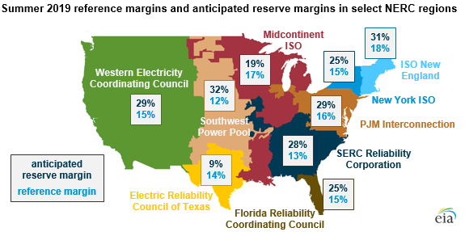

Note that each nerc region has its own reference margin.
ERCOT's reference margin is 14%
That 14% is also used by VCE's WISdom model.

